December
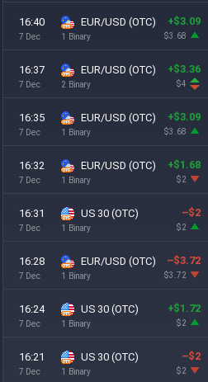
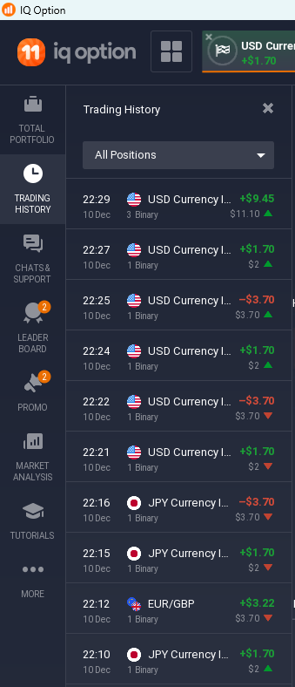
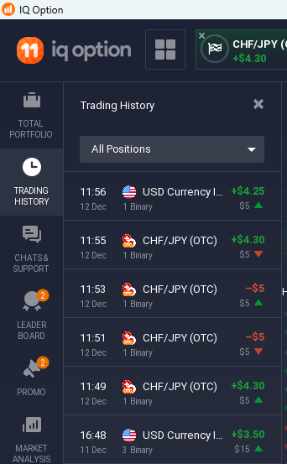
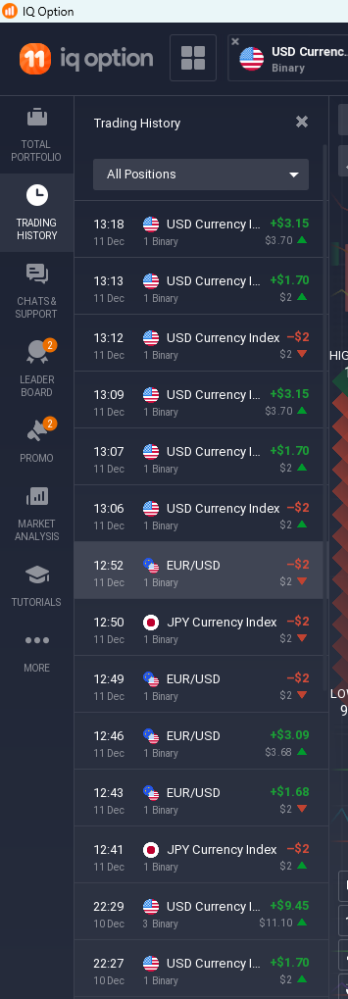
CONSISTENCY IS THE KEY OF THIS GAME

Novemver 2024
Income Statement
No/Date | Monday | Tuesday | Wednesday | Thursday | Friday | Saturday | Sunday
 | 2024-12-09 | 2024-12-10 | 2024-12-11 | 2024-12-12 | 2024-12-13 | 2024-12-14 | 2024-12-15
1 | -100 | 86 | -100 | -100
 | - | 159.96 | - | -
2 | 86 | 86 | 86 | 86
 | -186 | -186 | 159.96 | 159.96
3 | -100 | 86 | -100 | -100
 | - | -186 | - | -
4 | 86 | 86 | -100 | 86
 | 159.96 | -186 | - | 159.96
5 | 86 | 86 | -100 | -
 | 159.96 | 159.96 | - | -
Sum | 191.92 | 231.96 | -154.04 | 291.92 | 0 | 0 | 0
Total | 56176%
Ratio

